Sheet1
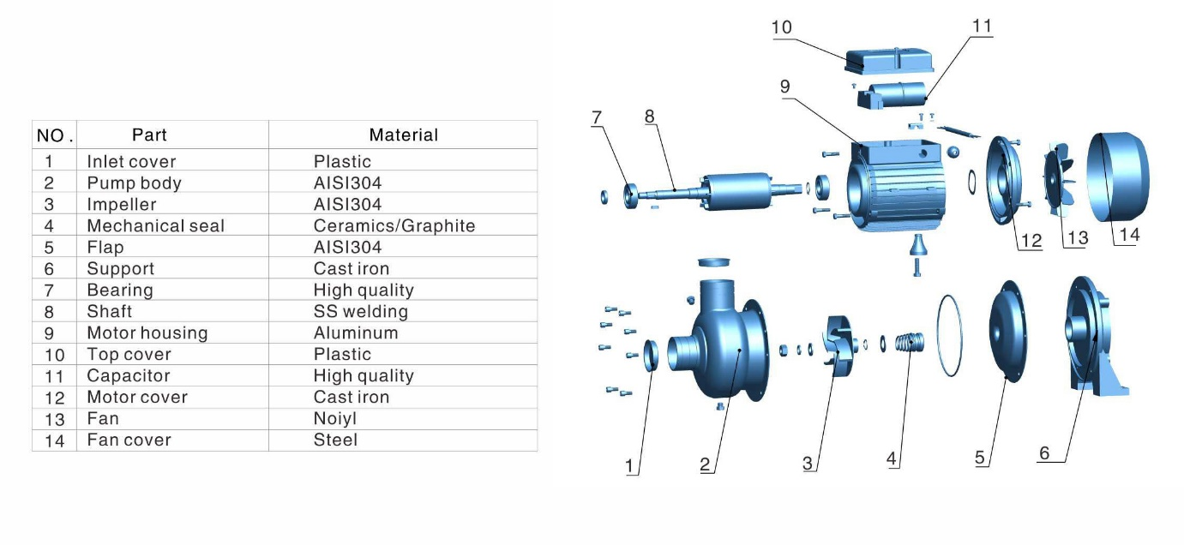
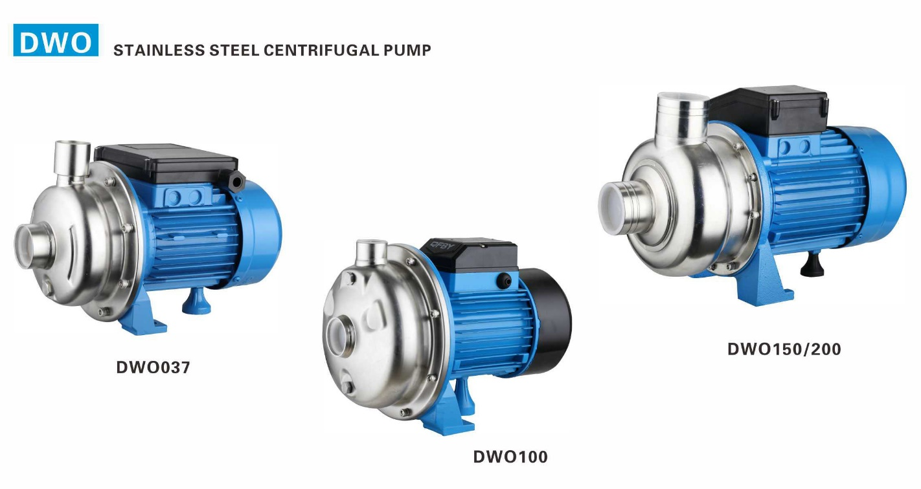
 QUALITY BUILDS YOUR TRUST

TECHNICAL DATA
Model | Power |  | Max Head (m) | Max Flow (m3/h) | Max Suction (m) | Max Head (m)
 | (kW) | (HP)
DWO037 | 0.37 | 0.5 | 12 | 6 | 9 | 2900
DWO100 | 0.75 | 1.0 | 12 | 18 | 9 | 2900
DWO150 | 1.1 | 1.5 | 15 | 33 | 9 | 2900
DWO200 | 1.5 | 2.0 | 18 | 42 | 9 | 2900
DWO300 | 2.2 | 3.0 | 21 | 57 | 9 | 2900
DWO400 | 3 | 4.0 | 23 | 62 | 9 | 2900
DWO500 | 3.7 | 5.0 | 25 | 68 | 9 | 2900

